Read_Me
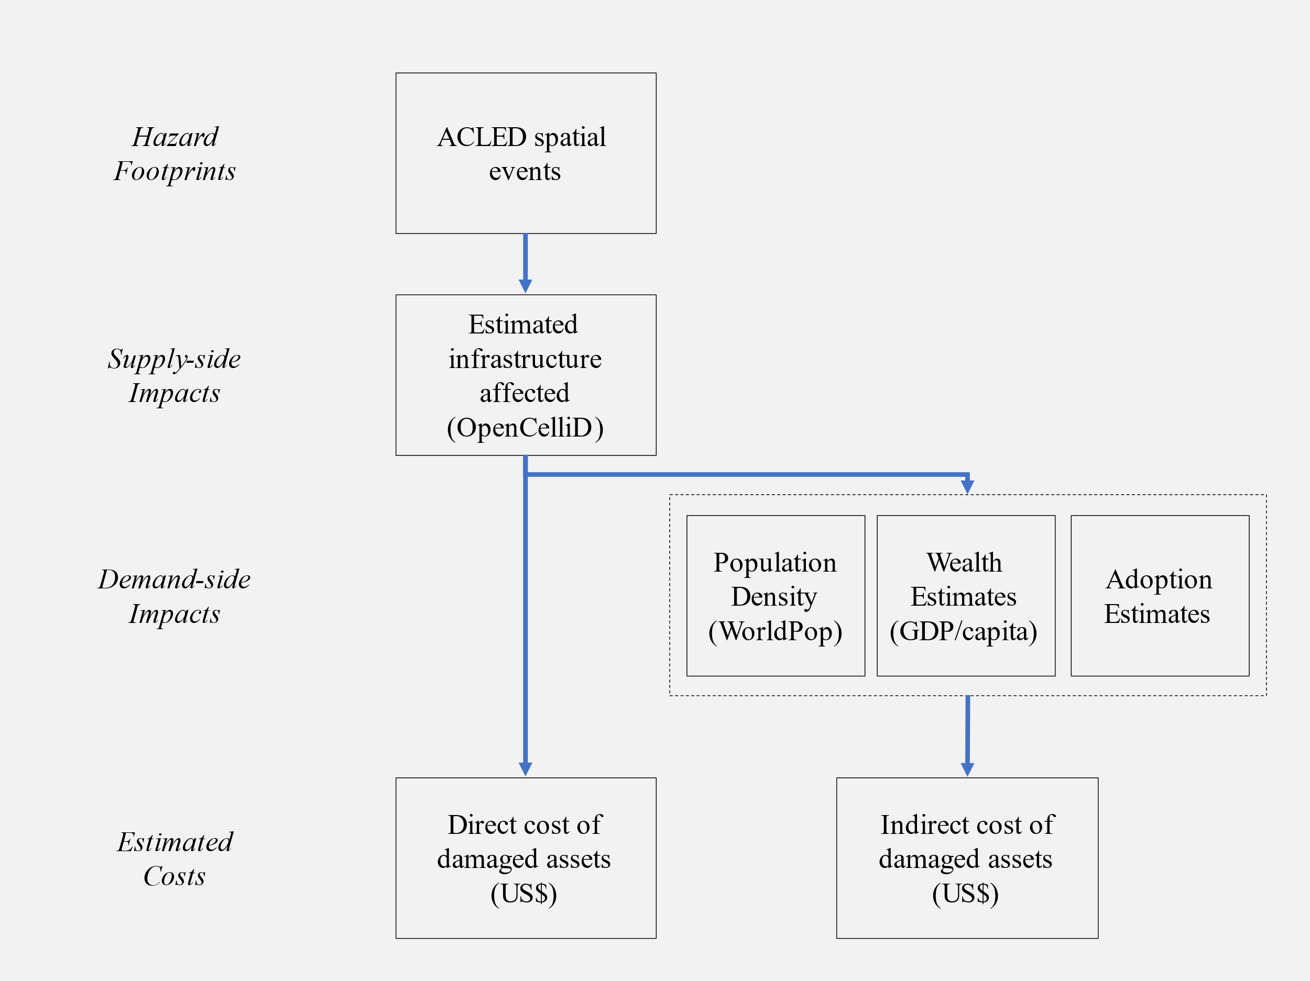
Geotide Readme
Geotide stands for Geospatial Evaluation Of Telecom Infrastructure Destruction in conflict Economies

Overview
- This tool provides cost-benefit analytics for evaluating telecommunication infrastructrue protection strategies.
- Geotide complements other World Bank Group telecommunication infrastructure costing tools, including the IMF Digital Infrastructure Costing Estimator (DICE).

Approach
- The Geotide GitHub repository contains a Python codebase which helps to generate all required input data.
- From known destroyed telecom assets, direct damage costs are developed.
- Indirect GDP impacts are then estimated from wider macroeconomic effects
- Finally, cost-benefit metrics are developed which juxtapose direct and indirect damage impacts against protection costs.

The Geotide method

